Sheet1
Name | Photo
Soong Kim Loong | 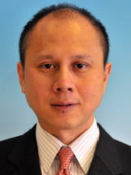
Mohd Zamri Ismail | 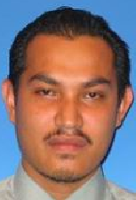
Devinder Singh A/L Sardool Singh | 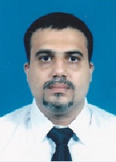
Loy Teck Wooi | 